Sheet1
 | Year
 | 2009 | 2010 | 2011 | 2012 | 2013 | 2014 | 2015 | 2016 | 2017 | 2018 | 2019 | 2020 | 2021 | Total général
Count of Authors | 1 | 1 | 1 | 3 | 3 | 5 | 11 | 9 | 17 | 20 | 36 | 39 | 11 | 157

Number of studies by year

Report Treatment R
2021-05-14
 | Game_type | N_Treatments | N_Separate_beliefs | N_OneShot_Treatments | N_Monetary_Incentivized_experiment
1 | DG | 9 | 8 | 8 | 9
2 | PGG | 7 | 7 | 0 | 7
3 | PDG | 4 | 4 | 4 | 4
4 | TG | 3 | 3 | 2 | 3
5 | UG | 3 | 3 | 3 | 3
6 | BG | 1 | 0 | 0 | 1
7 | GEG | 1 | 1 | 1 | 1
 | Total | 28 | 26 | 18 | 28

2021-05-18
 | Game_type | N_Treatments | N_Separate_beliefs | N_OneShot_Treatments | N_Monetary_Incentivized_experiment
1 | DG | 13 | 10 | 8 | 13
2 | PGG | 7 | 7 | 0 | 7
3 | UG | 6 | 6 | 6 | 6
4 | PDG | 4 | 4 | 4 | 4
5 | TG | 3 | 3 | 2 | 3
6 | BG | 1 | 0 | 0 | 1
7 | GEG | 1 | 1 | 1 | 1
 | Total | 35 | 31 | 21 | 35

2021-05-21
 | Game_type | N_Treatments | N_Separate_beliefs | N_OneShot_Treatments | N_Monetary_Incentivized_experiment
1 | DG | 18 | 12 | 13 | 18
2 | PGG | 7 | 7 | 0 | 7
3 | PDG | 4 | 4 | 4 | 4
4 | TG | 3 | 3 | 2 | 3
5 | UG | 3 | 3 | 3 | 3
6 | BG | 1 | 0 | 0 | 1
7 | GEG | 1 | 1 | 1 | 1
 | Total | 37 | 30 | 23 | 37

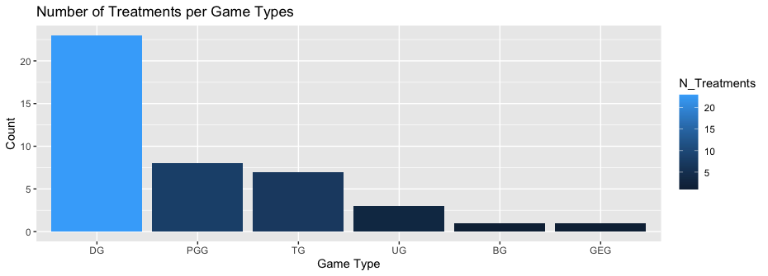

2021-05-26
 | Game_type | N_Treatments | N_Separate_beliefs | N_OneShot_Treatments | N_Monetary_Incentivized_experiment | N_Available_Data
1 | DG | 23 | 15 | 18 | 23 | 5
2 | PGG | 8 | 7 | 1 | 8 | 5
3 | TG | 7 | 7 | 2 | 7 | 1
4 | UG | 3 | 3 | 3 | 3 | 1
5 | BG | 1 | 0 | 0 | 1 | 0
6 | GEG | 1 | 1 | 1 | 1 | 0
 | Total | 43 | 33 | 25 | 43 | 12

